Risk Register
Demographics
Year
Month | Demographics | Details |  | Feedback
Quarter
District
Facility | Year | First ANC Visit Details | here some should be able to write a paragraphy atleast | Receiving Hospital
Name | Month |  |  | Date
Age | Quarter |  |  | Risk Factor
Address | Province |  |  | Delivery Outcome
 | District | Lastest ANC Visit Details | here some should be able to write a paragraphy atleast | Mode of Delivery
 | Health Facility |  |  | Maternal Outcome
 | Full Name |  |  | Date of Death(Mother)
 | Age
 | Parity | Risk Factor Identified |  | Additional Notes
 | Parity Rage
 | Gravid | Action Taken after Identifying Risk Factor
 | Gestation Age
 | LNMP | Date Action Taken
 | EDD | Name of SMAG
 | Next of Kin | Phone Number
 | Phone Number | Name of Hospital Referred to
 |  |  |  | Entered By

Save
Report

Weekly Statistics.
Year
Month
District
Health Facility
Level of Care
Patient ID No
Initials
Age
Highest Level of Education
Marital Status
Employment Status
Religion
ANC Visit Number
Parity
Gravid
Gestation Age
Residence
Primary Cause of Death
Secondary Cause of Death
Contributing Cause of Death
ICD MM
Is this a referral
Referral from
Date of Death
Time of Death
Postmortem Offered
Pregancy Outcome
Perintal Outcome
Distance from DHO
MPDSR Review Date
Date of Admission
Attendant Level

Save
Report

Perinatal Deaths.
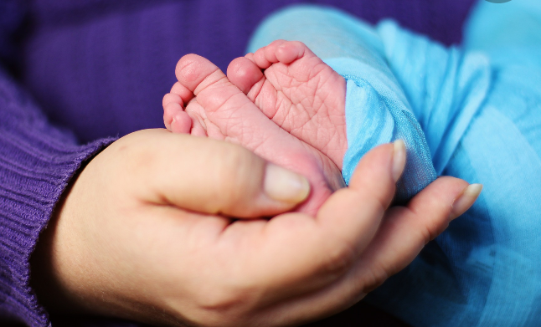

Year
Month
District
Health Facility
Level of Care
Patient ID No
Initials(mother's)
Date of Birth
Time of Birth
Date of Death
Time of Death
Age(hours/Days)
Sex
Place of Birth
Primary Cause of Death
Contributing Cause of Death
Birth Weight
State
ICD PM
Maternal Contributing
Post Mortem Offered
Is this a referral
Attendant Level

Save
Report

Maternal Deaths
Year
Month
District
Health Facility
Level of Care
Patient ID No
Initials
Age
Highest Level of Education
Marital Status
Employment Status
Religion
ANC Visit Number
Parity
Gravid
Gestation Age
Residence
Primary Cause of Death
Secondary Cause of Death
Contributing Cause of Death
ICD MM
Is this a referral
Referral from
Date of Death
Time of Death
Postmortem Offered
Pregancy Outcome
Perintal Outcome
Distance from DHO
MPDSR Review Date
Date of Admission
Attendant Level

Save
Report

